Sheet1
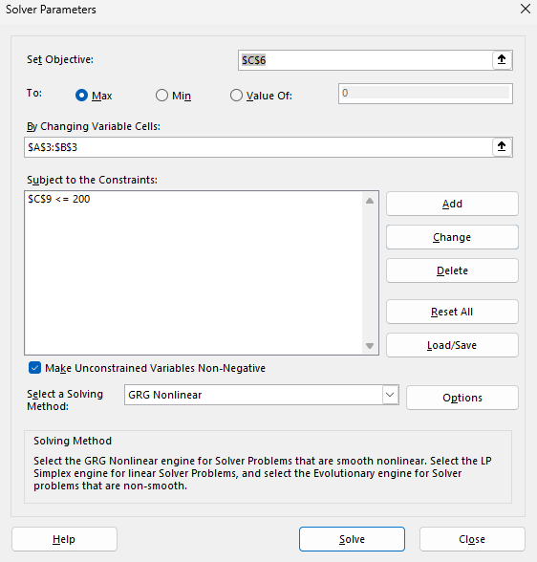
Product X | Product Y
Units | Units
30.769230769 | 46.153846154

Profit/Unit | Profit/Unit | Total Profits
£20.00 | £30.00 | £2,000.00

Constraints
 | Labor Hours | 200

